Sheet1
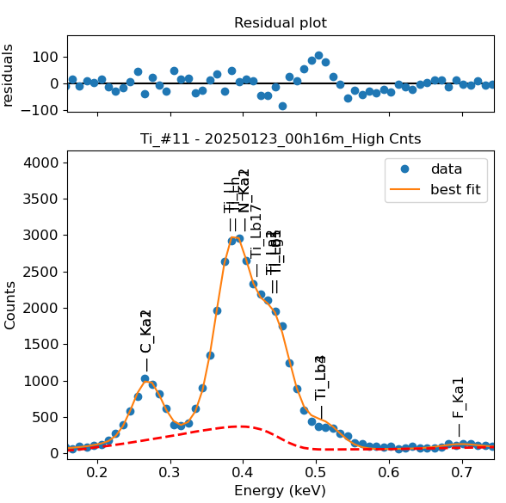
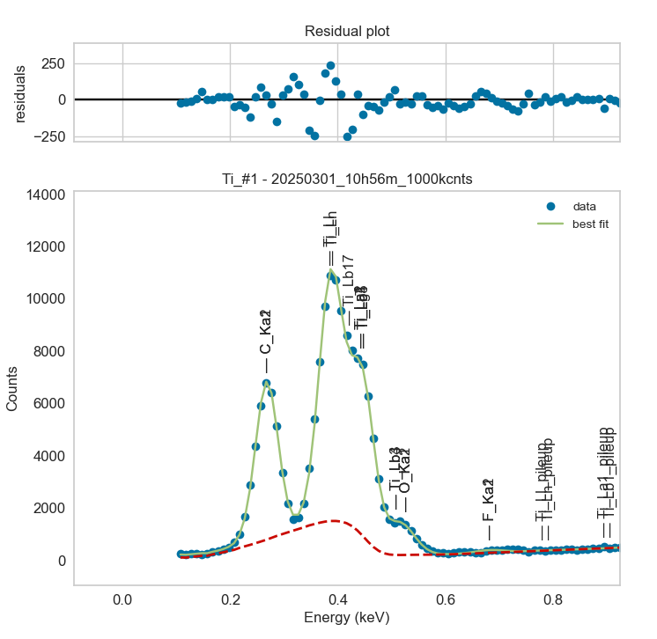
Weights calibrated measuring a pure Ti standard, bulk, polished
Area of all peaks is fitted
A constant shift is maintained across all peaks
Sigma is fixed for all peaks
Areas of peaks Ln and Ll fixed to previously fitted values

Ti |  | Meas 1 | Meas 2 | Meas 3 | Meas 4 | Meas 5 | Meas 6 | Meas 7 | Meas 8 | Meas 9 | Meas 10
La1 |  | 200.987 | 201.706 | 200.535 | 202.111 | 215.722 | 216.562 | 202.288 | 206.965 | 214.225 | 188.309
Ll |  | 323.589 | 324.746 | 322.862 | 325.398 | 347.313 | 348.665 | 325.683 | 333.214 | 344.902 | 303.177
Ln |  | 159.182 | 159.751 | 158.824 | 160.072 | 170.852 | 171.517 | 160.212 | 163.917 | 169.666 | 149.141
Lb1 |  | 57.594 | 55.004 | 49.115 | 56.4 | 50.315 | 55.423 | 54.233 | 49.893 | 55.913 | 53.512
Lg5 |  | 57.594 | 55.004 | 49.115 | 56.399 | 50.315 | 55.423 | 54.233 | 49.893 | 55.814 | 53.512
Lb3 |  | 8.748 | 0.004 | 36.568 | 26.024 | 37.629 | 18.704 | 33.085 | 28.255 | 18.014 | 0.001
Lb4 |  | 8.748 | 0.004 | 36.569 | 26.024 | 37.629 | 18.704 | 33.085 | 28.255 | 18.082 | 0.001

Line | Original w | Meas 1 | Meas 2 | Meas 3 | Meas 4 | Meas 5 | Meas 6 | Meas 7 | Meas 8 | Meas 9 | Meas 10 | Mean | Stdev | Er (%)
La1 | 1 | 1.0000 | 1.0000 | 1.0000 | 1.0000 | 1.0000 | 1.0000 | 1.0000 | 1.0000 | 1.0000 | 1.0000 | 1.0000
Ll | 1.62E+00 | 1.6100 | 1.6100 | 1.6100 | 1.6100 | 1.6100 | 1.6100 | 1.6100 | 1.6100 | 1.6100 | 1.6100 | 1.6100 | 0.0000 | 0.00
Ln | 7.99E-01 | 0.7920 | 0.7920 | 0.7920 | 0.7920 | 0.7920 | 0.7920 | 0.7920 | 0.7920 | 0.7920 | 0.7920 | 0.7920 | 0.0000 | 0.00
Ll + Ln | 2.4224 | 2.4020 | 2.4020 | 2.4020 | 2.4020 | 2.4020 | 2.4020 | 2.4020 | 2.4020 | 2.4020 | 2.4020 | 2.4020 | 0.0000 | 0.00
Lb1 | 2.80E-01 | 0.2866 | 0.2727 | 0.2449 | 0.2791 | 0.2332 | 0.2559 | 0.2681 | 0.2411 | 0.2610 | 0.2842 | 0.2627 | 0.0186 | 7.10
Lg5 | 1.24E-02 | 0.2866 | 0.2727 | 0.2449 | 0.2790 | 0.2332 | 0.2559 | 0.2681 | 0.2411 | 0.2605 | 0.2842 | 0.2626 | 0.0186 | 7.10
Lb1 + Lg5 | 0.2924 | 0.5731 | 0.5454 | 0.4898 | 0.5581 | 0.4665 | 0.5118 | 0.5362 | 0.4821 | 0.5215 | 0.5683 | 0.5253 | 0.0373 | 7.10
Lb3 | 2.57E-01 | 0.0435 | 0.0000 | 0.1824 | 0.1288 | 0.1744 | 0.0864 | 0.1636 | 0.1365 | 0.0841 | 0.0000 | 0.1000 | 0.0684 | 68.46
Lb4 | 1.34E-01 | 0.0435 | 0.0000 | 0.1824 | 0.1288 | 0.1744 | 0.0864 | 0.1636 | 0.1365 | 0.0844 | 0.0000 | 0.1000 | 0.0684 | 68.43
Lb3 + Lb4 | 0.391 | 0.0871 | 0.0000 | 0.3647 | 0.2575 | 0.3489 | 0.1727 | 0.3271 | 0.2730 | 0.1685 | 0.0000 | 0.2000 | 0.1369 | 68.44

The fitting of peaks Lb3 + Lb4 varies, but their sum is more or less constant |  |  |  |  |  |  | The fitting of peaks Ll + Ln varies, but their sum is more or less constant
So we use the original ratios to diustribute the sum among the 2 peaks, giving: |  |  |  |  |  |  | So we use the original ratios to diustribute the sum among the 2 peaks, giving:

 | Lb3 | Lb4 | Sum |  |  |  |  | Ll | Ln | Sum
Original ratio | 0.6573 | 0.3427 |  |  |  |  | Original ratio | 0.6702 | 0.3298
Resulting weights: | 0.1314 | 0.0685 | 0.2000 |  |  |  | Resulting weights: | 1.6097 | 0.7923 | 2.4020

 | Lb1 | Lg5 | Sum
Original ratio | 0.9576 | 0.0424
Resulting weights: | 0.5030 | 0.0223 | 0.5253

 |  | Without fixing the peaks above: |  |  |  |  |  |  |  |  | Fixing the peaks above:

